Button
Content
Sheet1
Sheet2
BigBang
Sheet3
Remove Lambda
Vocab Template
Button

Copy VBA Code

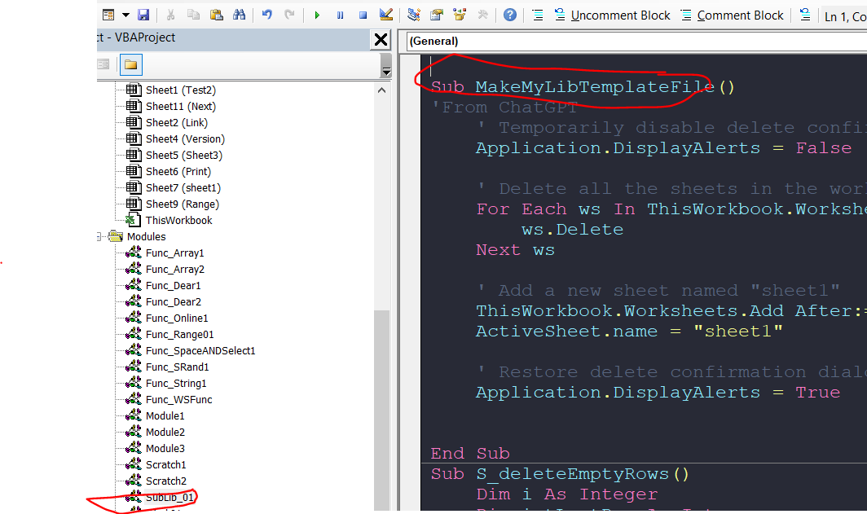
Delete All sheets

